Input
 | Inch
O.C. | 16 |  |  |  |  |  | Center
O.C left over | 0
Wood Stud Width | 1.5
Wall Height | 204
Number of Intermediate sections | 0

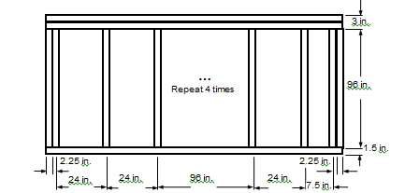
Center | Inch |  | End1 | Inch | End2 | Inch
Sill | 1.5 |  | Sill | 1.5 | Sill | 1.5
Head | 3 |  | Head | 3 | Head | 3
Jamb-L | 0.75 |  | Jamb-L | 1.5 | Jamb-L | 0.75
Jamb-R | 0 |  | Jamb-R | 0 | Jamb-R | 0

KWALL - South Corner

 |  | IP [Btu/hr-ft2-F]

 | Frame | Edge | Center
Hor-Intermediate | 0.0000 | 0.0000 | 0.0000
Hor-End1 | 0.0464 | 0.0497
Hor-End2 | 0.0000 | 0.0000
Ver-Head | 0.1978 | 0.0801
Ver-Sill | 0.0907 | 0.1738

 | SI [W/m2-k]

 | Frame | Edge | Center
Hor-Intermediate | 0 | 0 | 0
Hor-End1 | 0.2637 | 0.2823
Hor-End2 | 0 | 0
Ver-Head | 1.123 | 0.455
Ver-Sill | 0.515 | 0.987

